Methodology
LightCounting Switch Chip Forecast
Published 27 April 2023 - sample
Forecast Methodology

The LightCounting optical interconnect forecast begins with historical shipment data derived from our proprietary vendor shipments database.
The historical trends are extrapolated using the life-cycle model described below. The specific assumptions for each product
are based on the results of interviews with leading vendors and other industry experts. Several 'sanity checks' are then performed to assess
the results of the forecast, and feedback is provided from several industry participants. Final adjustments are made.

LightCounting Ethernet Transceiver Forecast
Preliminary
Forecast
ICP models for switch speeds over time
Interviews with industry participants
Sanity checks
LightCounting
Forecast

Expert review

LightCounting has no vested interest in the transceiver market and does not participate in any vendor specific projects and/or consultations.

LightCounting forecasting involves combining forecasts from more than one source and uses various methods.

Trend extrapolation

Forecast methodology is based on extrapolation of historical transceiver sales using product life-cycle model (S-curve methodology) for individual products. Information on historical sales of transceivers is obtained by means of LightCounting market surveys conducted on a semi-annual basis.

Expert Opinions
LightCounting forecasting highly involves industry expert opinions as well as discussions with transceiver vendors, their suppliers and customers. It is through the synthesis of these opinions that a final forecast is obtained.

Cross-impact Analysis
Relationships often exist between legacy and new products that may not be revealed by any forecasting techniques. LightCounting forecasting recognizes that the occurrence of an event can, in turn, affect the likelihoods of other events such as the impact of 40-Gbps sales on 10-Gbps sales, and expects similar penetration rates for new product introductions.

Scenario Analysis
Scenarios consider developments such as new data rates, form factors or possible growth rates. Expert opinions are often used to evaluate and compare different scenarios and pick the most possible one.

Financial Analysis
LightCounting makes global economic and financial analysis of specific companies, use publicly available information such as SEC filings, company presentations or other market researches as input to its forecasting.

Products
LightCounting Switch Chip Forecast
Published 27 April 2023 - sample
Definition of forecast categories

Switch Chips
Product category | Switch capacity | Description
3.2/6.4T | 3.2 or 6.4 Tbps |  | <== added in October 2022
12.8T | 12.8 Tbps | Switch chips for TOR switches used in compute and AI clusters
25.6T | 25.6 Tbps | Switch chips for Leaf and Spine switches used in compute and AI clusters
51.2T | 51.2 Tbps | Switch chips for Leaf and Spine switches used in compute and AI clusters

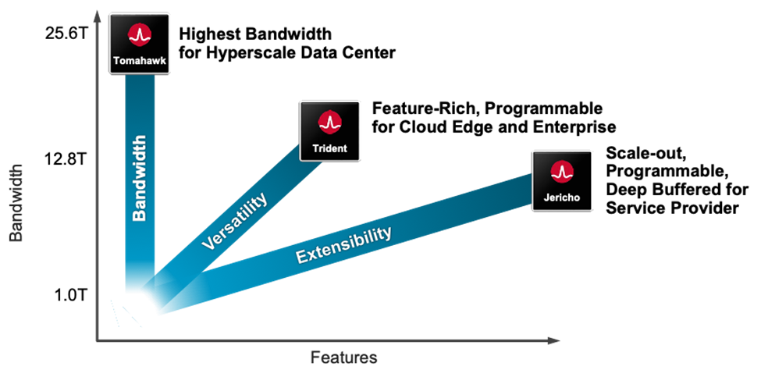
This forecast is for switch chips used in these high-performance Ethernet switches used in hyper-scale datacenters

 |  | Source: Broadcom

Summary
 | LightCounting Switch Chip Forecast
 | Published 27 April 2023 - sample
 | Forecast Results

 | Ethernet Switch Chip Forecast

 | 3.2/6.4T | 12.8T | 25.6T | 51.2T
2021 | 560,417 | 228,735 | 18,283 | -
2022
2023
2024
2025
2026
2027
2028
 | 3.2/6.4T | 12.8T | 25.6T | 51.2T
2021 | $1,009 | $457 | $64 | $-
2022
2023
2024
2025
2026
2027
2028

 | Total Ethernet Switch chip units | 2021 | 2022 | 2023 | 2024 | 2025 | 2026 | 2027 | 2028
 | 3.2/6.4T | 560,417
 | 12.8T | 228,735 |  |  |  |  |  |  |  | Purple cells include some non-cloud usage
 | 25.6T | 18,283 |  |  |  |  |  |  |  | Purple cells include some non-cloud usage
 | 51.2T | -
 | Total | 807,435
 | Alphabet total | 76,531
 | Amazon total | 85,856
 | Meta total | 20,204
 | All other Cloud | 64,427

 | Total Ethernet Switch chip ASP ($) | 2021 | 2022 | 2023 | 2024 | 2025 | 2026 | 2027 | 2028
48 | 3.2/6.4T | $1,800
32 | 12.8T | $2,000
 | 25.6T | $3,500
 | 3.2/6.4T | 12.8T | 25.6T | 51.2T
2021 | $1,009 | $457 | $64 | $-
2022
2023
2024
2025
2026
2027
2028
 | 51.2T

 | Total Ethernet Switch chip revenue ($M) | 2021 | 2022 | 2023 | 2024 | 2025 | 2026 | 2027 | 2028
 | 3.2/6.4T | $1,009
 | 12.8T | $457
 | 25.6T | $64
 | 51.2T | $-
 | Total | $1,530

 | Ethernet Switch chip annual consumption
 | Alphabet | 2021 | 2022 | 2023 | 2024 | 2025 | 2026 | 2027 | 2028
 | 3.2/6.4T | no breakout is available for this product category
 | 12.8T | 72,721
 | 25.6T | 3,809
 | 51.2T | -

Ethernet switch ASICs market (3.2 to 51.2T)
 | Total
2021 | $1,530
2022
2023
2024
2025
2026
2027
2028
 | Ethernet Switch chip annual consumption
 | Amazon | 2021 | 2022 | 2023 | 2024 | 2025 | 2026 | 2027 | 2028
 | 3.2/6.4T | no breakout is available for this product category
 | 12.8T | 85,856
 | 25.6T | -
 | 51.2T | -

 | Ethernet Switch chip annual consumption
 | Meta | 2021 | 2022 | 2023 | 2024 | 2025 | 2026 | 2027 | 2028
 | 3.2/6.4T | no breakout is available for this product category
 | 12.8T | 11,744
 | 25.6T | 8,460
 | 51.2T

 | Ethernet Switch chip annual consumption
 | All other cloud | 2021 | 2022 | 2023 | 2024 | 2025 | 2026 | 2027 | 2028
 | 3.2/6.4T | no breakout is available for this product category
 | 12.8T | 58,414
 | 25.6T | 6,013
 | 51.2T | -

 | Infiniband Switch Chip Forecast
 | 1.4T | 2T | 3.6T | 8T | 25.6T | 51.2T
2021 | 10,240 | 1,667 | 10,990 | 32,063 | 1,399 | -
2022
2023
2024
2025
2026
2027
2028
 | 1.4T | 2T | 3.6T | 8T | 25.6T | 51.2T
2021 | $26 | $5 | $36 | $269 | $22 | $-
2022
2023
2024
2025
2026
2027
2028
 | 1.4T | 2T | 3.6T | 8T | 25.6T | 51.2T
2021 | $26 | $5 | $36 | $269 | $22 | $-
2022
2023
2024
2025
2026
2027
2028
Infiniband switch ASICs market (3.2 to 51.2T)
 | Total
2021 | $358
2022
2023
2024
2025
2026
2027
2028

 | Infiniband Switch chip units | 2021 | 2022 | 2023 | 2024 | 2025 | 2026 | 2027 | 2028
 | 1.4T | 10,240
 | 2T | 1,667
 | 3.6T | 10,990
 | 8T | 32,063
 | 25.6T | 1,399
 | 51.2T | -
 | Total | 56,357

 | Infiniband Switch chip ASP($) | 2021 | 2022 | 2023 | 2024 | 2025 | 2026 | 2027 | 2028
48 | 1.4T | $2,520
32 | 2T | $2,736
32 | 3.6T | $3,240
 | 8T | $8,400
 | 25.6T | $16,000
 | 51.2T | $-

 | Infiniband Switch chip revenue ($M) | 2021 | 2022 | 2023 | 2024 | 2025 | 2026 | 2027 | 2028
 | 1.4T | $26
 | 2T | $5
 | 3.6T | $36
 | 8T | $269
 | 25.6T | $22
 | 51.2T | $-
 | Total | $358

 | Optical Circuit Switch Chip Forecast
 | OCS (Google) | Other Cloud companies
2021 | $55 | $-
2022
2023
2024
2025
2026
2027
2028
 | OCS (Google) | Other Cloud companies
2021 | 3,680
2022
2023
2024
2025
2026
2027
2028
OCS switch ASICs market (3.2 to 51.2T)
 | Total
2021 | $55
2022
2023
2024
2025
2026
2027
2028

 | OCS units | 2021 | 2022 | 2023 | 2024 | 2025 | 2026 | 2027 | 2028
 | OCS (Google) | 3,680
 | Other Cloud companies
 | Total | 3,680

 | OCS ASP ($) | 2021 | 2022 | 2023 | 2024 | 2025 | 2026 | 2027 | 2028
 | OCS (Google) | $15,000
 | Other Cloud companies

 | OCS revenue ($M) | 2021 | 2022 | 2023 | 2024 | 2025 | 2026 | 2027 | 2028
 | OCS (Google) | $55
 | Other Cloud companies | $-
 | Total | $55

 | SerDes Calculations

 | SerDes (Lanes by Speed, millions) | 2021 | 2022 | 2023 | 2024 | 2025 | 2026 | 2027 | 2028
 | 25G | 49.9
 | 50G | 41.0
 | 100G | 1.0
 | 200G | 0.0

 | 25G | 50G | 100G | 200G
2021 | 49.9 | 41.0 | 1.0 | 0.0
2022
2023
2024
2025
2026
2027
2028

 | Adoption of Switching ASICs with CPO

 | Percentages of ASIC chips with CPO | 2021 | 2022 | 2023 | 2024 | 2025 | 2026 | 2027 | 2028
 | 25.6T | 0%
 | 51.2T | 0%

 | Units - Switches with CPO
 | 25.6T with CPO | -
 | 25.6T without CPO | 18,283
 | 51.2T with CPO | -
 | 51.2T without CPO | -

 | ASPs ($) - Switches with CPO
 | 25.6T with CPO |  |  |  |  |  |  |  |  | 50% of the ports are with CPO
 | 25.6T without CPO | $3,500
 | 51.2T with CPO
 | 51.2T without CPO | $-

 | Revenues ($ M) - Switches with CPO
 | 25.6T with CPO | $-
 | 25.6T without CPO | $64
 | 51.2T with CPO | $-
 | 51.2T without CPO | $-

 | Units - Swithes without CPO | 2021 | 2022 | 2023 | 2024 | 2025 | 2026 | 2027 | 2028
 | All switches without CPO | 18,283
 | All switches with CPO | -

 | Revenues - T4 and T5 Swithes with and without CPO | 2021 | 2022 | 2023 | 2024 | 2025 | 2026 | 2027 | 2028
 | 25.6T and 51.2T without CPO | $64
 | 25.6T and 51.2T with CPO | $-

 | Revenues - T4 and T5 if CPO is not adopted | $64

 | 25.6T and 51.2T if CPO is not adopted
2021 | $64
2022
2023
2024
2025
2026
2027
2028
 | 25.6T and 51.2T without CPO | 25.6T and 51.2T with CPO
2021 | $64 | $-
2022
2023
2024
2025
2026
2027
2028
 | 25.6T and 51.2T without CPO | 25.6T and 51.2T with CPO
2021 | 18,283 | -
2022
2023
2024
2025
2026
2027
2028

 | Two scenarios

