Methodology
LightCounting Market Research
published November 29, 2023 - Sample Spreadsheet
3D Depth Sensing and Automotive LiDAR forecast

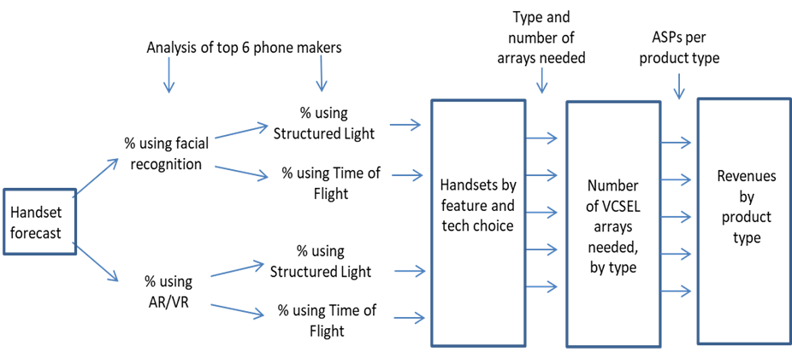
The methodology used to create the 3D Sensors for Smartphones forecast is depicted in the diagram below.

The main steps in the forecast are as follows:
1. | A forecast of handsets is developed using data available from vendors and other third parties.
2. | Subsets of the handset forecast are estimated representing phones that will offer facial recognition, and Augmented Reality/Virtual Reality
3. | Each of the above is split into subgroups using structured light or time of flight technologies to implement the facial recognition and AR/VR
4. | Handsets by feature and technology are estimated from the above
5. | Product groups representing different VCSEL arrays for various applications, differentiated by power and number of emitters/array, are created
6. | Handset numbers are multiplied by the array assumptions to create the array forecast at the product group level
7. | Price assumptions are developed based on discussions and inputs from industry participants
8. | Future prices are estimated by applying assumed price declines per year to each product and year
9. | Revenues are calculated as the product of ASPs and unit shipments

The methodology used to create the Automotive LiDAR forecast is as follows:
1. | A forecast of vehicle production is developed using data available from trade associations and manufacturers
2. | Subsets of the vehicle production forecast are estimated representing different markets: self-driving taxis (retrofitted), L3, L4, L5 autonomy in light vehicles (LV) and trucks
3. | Each of the above markets is split into estimates for the technology requirements and number of lidar units per vehicle
4. | Product groups representing different lidar requirements for various markets, differentiated by wavelength, range and number of beams, are created
5. | Vehicle numbers are multiplied by the product assumptions to create the LiDAR sensor forecast at the product group level
6. | Price assumptions are developed based on discussions and inputs from industry participants
7. | Future prices are estimated by applying assumed price declines per year to each product and year
8. | Revenues are calculated as the product of ASPs and unit shipments

Product definitions
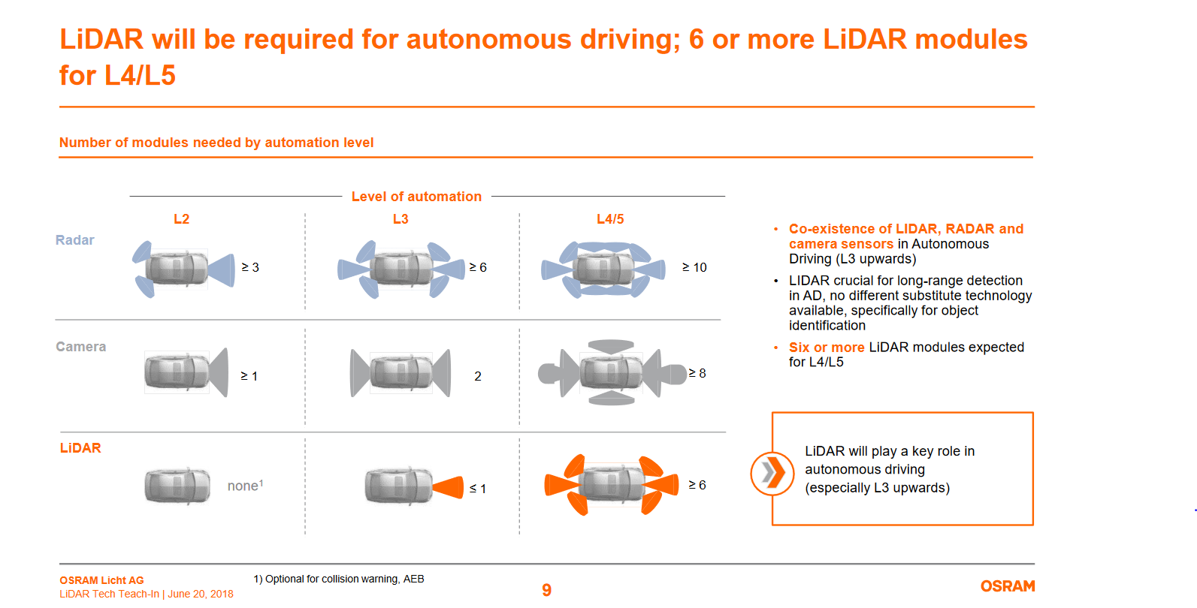
LightCounting Market Research
published November 29, 2023 - Sample Spreadsheet
3D Depth Sensing and Automotive LiDAR forecast

3S Sensing Market Segmentation and Product definitions
Forecast scope includes VCSEL arrays used in 3D Sensors in smartphones only.

VCSEL array product definitions |  |  |  | Used in these handset applications
Product category | # emitters/ VCSEL die | Wavelength (nm) | Power (mW) | Gesture and facial recognition (SL) | Gesture and facial recognition (TOF) | Gesture and facial recognition (AS) | AR/VR (SL) | AR/VR (TOF) | Average # emitters/ VCSEL die
Proximity sensor | 1-10 | 940 | ≤20 | √ | √ | √ |  |  | 5
Flood illuminator | 20-50 | 940 | 200-500 | √ |  |  | √ |  | 35
Dot projector array | 50-300 | 940 | 500-1000 | √ |  |  | √ |  | 175
Flash illuminator LP | 50-300 | 940 | 500-1000 |  | √ |  |  |  | 175
Flash illuminator HP | 300-1000 | 940 | 1000-3000 |  |  |  |  | √ | 500
New sensor applications | TBD | TBD | TBD |  |  |  |  |  | TBD
LP = Low Power; HP=High Power |  |  | Location on phone >> | Front camera |  |  | Rear camera
All new phones are using 940 nm products starting in 2018.
Some legacy devices use 850 nm.
Front camera = located on display side of the phone, facing user
Rear camera = faces away from user, also called world facing
 |  |  |  |  | AS = Active Stereo | possible alternative to structured light, not included in forecast at this time as no evidence of adoption as of October 2019

Automotive LiDAR Market Segmentation and Product definitions

Automotive market segments
Chinese electric vehicles (CEVs) - electric vehicles made in Chinese, typically with some ADAS functions
Light Vehicles - all passenger vehicles and light trucks globally excluding the above
Robotic Taxis - niche market for large cities; typically aiming for a higher level of autonomy than the above
Autonomous Trucks - aka "big rigs", "semis".. these are the highway cargo haulers, with highest degree of sophistication and most expensive sensor packages
 |  |  |  |  |  |  |  |  | product sensor suites
LIDAR module product definitions |  |  |  |  |  |  |  |  | Numbers are sensors of each type per suite
Sensor group name in forecast |  | H-FOV* | Range | Range (m) | Beams | Technology | Level | Typical ADAS Function Enabled | Suite A | Suite B | Suite C | Suite D | Suite E (AT)
Corner/side (SR) |  | 120° | Short | 20 m | 64 | Flash | L3 | Blind Spot Monitor / Cross Traffic Alert | 4 | 4 | 4 | 4 | 4
Forward facing (LR) |  | 45° | Mid | 200 m | 4 | Scanning | L3 | Traffic Jam Assist (City Driving)
Forward facing (Ultra LR) |  | 45° | Long | 300 m | 16 | Scanning | L4 | Adaptive Cruise Control | 1 | 1 | 1 | 1 | 1
360° |  | 360° | Mid/Long |  | 32/64 | Scanning | L4 | Surround View | 1 | 1 | 1 | 1
Next gen |  | 360° | Long |  | 128+ | Scanning | L4 | High Res Surround View |  |  |  |  | 1

 |  | *H-FOV = horizontal field of view |  |  |  |  |  |  | Uber gen 1 | Mobileye | Aptiv | Voyage
 |  |  |  |  |  |  |  |  | Ford, GM

3D sensors forecast
LightCounting Market Research
published November 29, 2023 - Sample Spreadsheet
3D Depth Sensing and Automotive LiDAR forecast

VCSEL array forecast for 3D Depth Sensing mobile handset applications (mn)
 | Proximity sensor | Flood illuminator | Dot projector array | Flash illuminator LP | Flash illuminator HP | New sensor applications
2020
2021
2022
2023
2024
2025
2026
2027
2028
Shipment forecast
 | Proximity sensor | Flood illuminator | Dot projector array | Flash illuminator LP | Flash illuminator HP | New sensor applications
2020
2021
2022
2023
2024
2025
2026
2027
2028

Units shipped (VCSEL arrays, millions)
Product category | # emitters/ VCSEL die | Wavelength (nm) | Power (mW) | 2020 | 2021 | 2022 | 2023 | 2024 | 2025 | 2026 | 2027 | 2028
Proximity sensor | 1-10 | 940 | ≤20
Flood illuminator | 20-50 | 940 | 200-500
Dot projector array | 50-300 | 940 | 500-1000
Flash illuminator LP | 50-300 | 940 | 500-1000
Flash illuminator HP | 300-1000 | 940 | 1000-3000
New sensor applications | TBD | TBD | TBD
Total |  |  |  | - | - | - | - | - | - | - | - | -
 |  |  |  |  | #DIV/0! | #DIV/0! | #DIV/0! | #DIV/0! | #DIV/0! | #DIV/0! | #DIV/0! | #DIV/0!
 | New sensor applications | Flash illuminator HP | Flash illuminator LP | Dot projector array | Flood illuminator | Proximity sensor
2020
2021
2022
2023
2024
2025
2026
2027
2028
 |  |  |  |  |  |  |  | #DIV/0! | #DIV/0! | #DIV/0! | #DIV/0! | #DIV/0!

ASPs (per array)
Product category | # emitters/ VCSEL die | Wavelength (nm) | Power (mW) | 2020 | 2021 | 2022 | 2023 | 2024 | 2025 | 2026 | 2027 | 2028
Proximity sensor | 1-10 | 940 | ≤20
Flood illuminator | 20-50 | 940 | 200-500
Dot projector array | 50-300 | 940 | 500-1000
Flash illuminator LP | 50-300 | 940 | 500-1000
Flash illuminator HP | 300-1000 | 940 | 1000-3000
New sensor applications | TBD | TBD | TBD
Grand average |  |  |  | #DIV/0! | #DIV/0! | #DIV/0! | #DIV/0! | #DIV/0! | #DIV/0! | #DIV/0! | #DIV/0! | #DIV/0!
Average without proximity sensor |  |  |  | #DIV/0! | #DIV/0! | #DIV/0! | #DIV/0! | #DIV/0! | #DIV/0! | #DIV/0! | #DIV/0! | #DIV/0!

 | Proximity sensor | Flood illuminator | Dot projector array | Flash illuminator LP | Flash illuminator HP | New sensor applications
2020
2021
2022
2023
2024
2025
2026
2027
2028
Revenue forecast
 | Dot projector array | Flash illuminator LP | Flash illuminator HP | Flood illuminator | New sensor applications | Proximity sensor
2020
2021
2022
2023
2024
2025
2026
2027
2028

Sales ($ mn)
Product category | # emitters/ VCSEL die | Wavelength (nm) | Power (mW) | 2020 | 2021 | 2022 | 2023 | 2024 | 2025 | 2026 | 2027 | 2028
Proximity sensor | 1-10 | 940 | ≤20
Flood illuminator | 20-50 | 940 | 200-500
Dot projector array | 50-300 | 940 | 500-1000
Flash illuminator LP | 50-300 | 940 | 500-1000
Flash illuminator HP | 300-1000 | 940 | 1000-3000
New sensor applications | TBD | TBD | TBD
Total |  |  |  | $- | $- | $- | $- | $- | $- | $- | $- | $-
 |  |  |  |  | #DIV/0! | #DIV/0! | #DIV/0! | #DIV/0! | #DIV/0! | #DIV/0! | #DIV/0! | #DIV/0!

3D face recognition |  |  |  | $- | $- | $- | $- | $- | $- | $- | $- | $-
World-Facing arrays |  |  |  | $- | $- | $- | $- | $- | $- | $- | $- | $-

Proximity sensors forecast
LightCounting Market Research
published November 29, 2023 - Sample Spreadsheet
3D Depth Sensing and Automotive LiDAR forecast

Proximity sensor VCSEL array forecast for all mobile handset applications

Shipment forecast
 | for other applications | for 3D sensing
2020
2021
2022
2023
2024
2025
2026
2027
2028
Shipment forecast
 | for other applications | for 3D sensing
2020
2021
2022
2023
2024
2025
2026
2027
2028

Units shipped (VCSEL arrays, millions)
Proximity sensor VCSELs | # emitters/ VCSEL die | Wavelength (nm) | Power (mW) | 2020 | 2021 | 2022 | 2023 | 2024 | 2025 | 2026 | 2027 | 2028
for 3D sensing | 1-10 | 940 | ≤20
for other applications | 1-10 | 940 | ≤20
Total proximity sensor VCSEL arrays (mn)

Proximity sensor VCSEL array ASPs
 | for 3D sensing
2020
2021
2022
2023
2024
2025
2026
2027
2028

ASPs (per array)
Proximity sensor VCSELs | # emitters/ VCSEL die | Wavelength (nm) | Power (mW) | 2020 | 2021 | 2022 | 2023 | 2024 | 2025 | 2026 | 2027 | 2028
for 3D sensing | 1-10 | 940 | ≤20
for other applications | 1-10 | 940 | ≤20

Revenue forecast
 | for other applications | for 3D sensing
2020
2021
2022
2023
2024
2025
2026
2027
2028
Revenue forecast
 | for other applications | for 3D sensing
2020
2021
2022
2023
2024
2025
2026
2027
2028

Sales ($ mn)
Proximity sensor VCSELs | # emitters/ VCSEL die | Wavelength (nm) | Power (mW) | 2020 | 2021 | 2022 | 2023 | 2024 | 2025 | 2026 | 2027 | 2028
for 3D sensing | 1-10 | 940 | ≤20
for other applications | 1-10 | 940 | ≤20
Total |  |  |  | $- | $- | $- | $- | $- | $- | $- | $- | $-

LiDAR forecast
LightCounting Market Research
published November 29, 2023 - Sample Spreadsheet
3D Depth Sensing and Automotive LiDAR forecast

Automotive LiDAR forecast
Autonomous vehicle production
 | Non-LIDAR vehicles | Autonomous Trucks | Robotic Taxis | Light Vehicles (all other) | Chinese EVs using Lidar
2020
2021
2022
2023
2024
2025
2026
2027
2028
Autonomous vehicle market penetration
2020
2021
2022
2023
2024
2025
2026
2027
2028

Autonomous Vehicle forecast |  |  | 2020 | 2021 | 2022 | 2023 | 2024 | 2025 | 2026 | 2027 | 2028
Includes CEV, RT, AT, and LV segments |  | All light vehicles
 |  | ADAS/AVs with LIDAR
 |  | Chinese EVs using Lidar
 |  | Light Vehicles (all other)
 |  | Robotic Taxis
 |  | Autonomous Trucks
 |  | AVs with LIDA - Percent of total
 |  | Chinese EVs
 |  | Light Vehicles (all other)
 |  | Robotic Taxis
 |  | Autonomous Trucks
 |  | Non-LIDAR vehicles
 |  | Hypothetical extended adoption curve

LIDAR sensor modules forecast summary
LIDAR module shipments
 | Other LVs | Robotaxi | Auton Trucks | Chinese EVs
2020
2021
2022
2023
2024
2025
2026
2027
2028
LIDAR module ASP
 | Other LVs | Robotaxi | Auton Trucks | Chinese EVs
2020
2021
2022
2023
2024
2025
2026
2027
2028
LIDAR module revenues
 | Other LVs | Robotaxi | Auton Trucks | Chinese EVs
2020
2021
2022
2023
2024
2025
2026
2027
2028

 |  |  | 2020 | 2021 | 2022 | 2023 | 2024 | 2025 | 2026 | 2027 | 2028
 | Shipments - Chinese EVs |  |  |  |  |  |  |  |  |  |  | Chinese EVs
 | Shipments - Light Vehicles |  |  |  |  |  |  |  |  |  |  | Other LVs
 | Shipments - Robotic Taxis |  |  |  |  |  |  |  |  |  |  | Robotaxi
 | Shipments - Auton. Trucks |  |  |  |  |  |  |  |  |  |  | Auton Trucks
 | Total LIDAR sensor shipments
 | ASPs - Chinese EVs
 | ASPs - Light Vehicles
 | ASPs - Robotic Taxis
 | ASPs - Auton. Trucks
 | Revenues - Chinese EVs
 | Revenues - Light Vehicles
 | Revenues - Robotic Taxis
 | Revenues - Auton. Trucks
 | Total automotive LIDAR revenues

Automotive LIDAR sensor modules by product type
Includes CEV, RT, AT, and LV segments
Automotive LIDAR sensor shipments
 | Corner | FF LR | FF ULR | 360° | Next gen
2020
2021
2022
2023
2024
2025
2026
2027
2028
Automotive LIDAR sensor ASPs
 | Corner | FF LR | FF ULR | 360° | Next gen
2020
2021
2022
2023
2024
2025
2026
2027
2028
Automotive LIDAR sensor revenues
 | Corner | FF LR | FF ULR | 360° | Next gen
2020
2021
2022
2023
2024
2025
2026
2027
2028

Sensor module shipments |  |  | 2020 | 2021 | 2022 | 2023 | 2024 | 2025 | 2026 | 2027 | 2028
Corner/side (SR) |  |  |  |  |  |  |  |  |  |  |  | Corner
Forward facing (LR) |  |  |  |  |  |  |  |  |  |  |  | FF LR
Forward facing (Ultra LR) |  |  |  |  |  |  |  |  |  |  |  | FF ULR
360° |  |  |  |  |  |  |  |  |  |  |  | 360°
Next gen |  |  |  |  |  |  |  |  |  |  |  | Next gen
Total

Sensor Module ASPs |  |  | 2020 | 2021 | 2022 | 2023 | 2024 | 2025 | 2026 | 2027 | 2028
Corner/side (SR)
Forward facing (LR)
Forward facing (Ultra LR)
360°
Next gen
Total |  |  | #DIV/0! | #DIV/0! | #DIV/0! | #DIV/0! | #DIV/0! | #DIV/0! | #DIV/0! | #DIV/0! | #DIV/0!

Module revenues ($ mn) |  |  | 2020 | 2021 | 2022 | 2023 | 2024 | 2025 | 2026 | 2027 | 2028
Corner/side (SR)
Forward facing (LR)
Forward facing (Ultra LR)
360°
Next gen
Total

Figures for the report
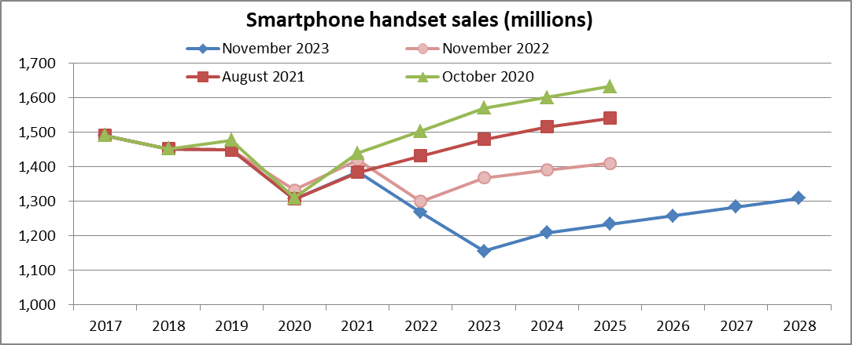
Figure E-1
VCSEL Arrays for Handset 3D sensors
Automotive LIDAR modules

Sales ($M) | 2020 | 2021 | 2022 | 2023 | 2024 | 2025 | 2026 | 2027 | 2028
3D sensors | $- | $- | $- | $- | $- | $- | $- | $- | $-
LIDARs | $- | $- | $- | $- | $- | $- | $- | $- | $-

Figure E-2

Sales ($M) | 2020 | 2021 | 2022 | 2023 | 2024 | 2025 | 2026 | 2027 | 2028
3D Face recognition | $- | $- | $- | $- | $- | $- | $- | $- | $-
World-facing sensors | $- | $- | $- | $- | $- | $- | $- | $- | $-

Figure 4-1 | Annual shipments on handsets

